1000T-3000T
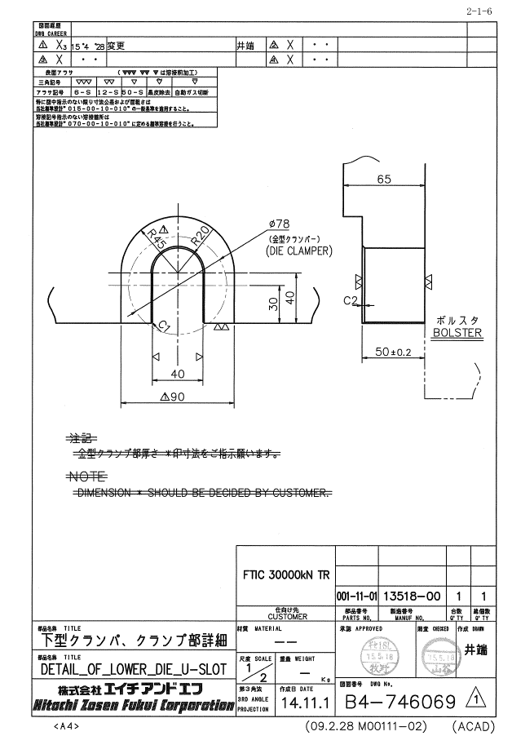
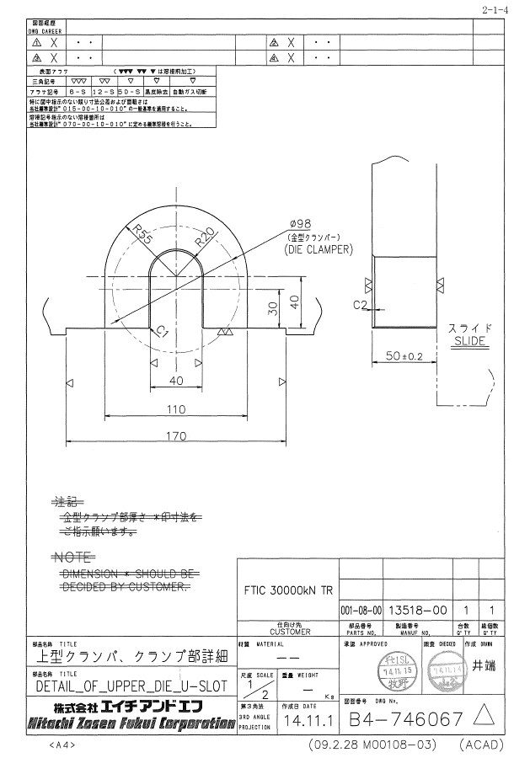
1000 T CLAMPING INFORMATION UPPER AND LOWER
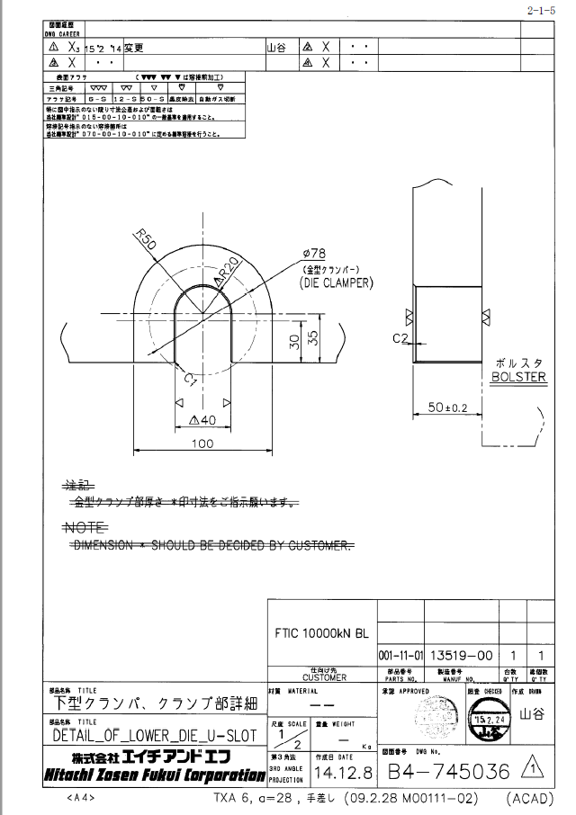
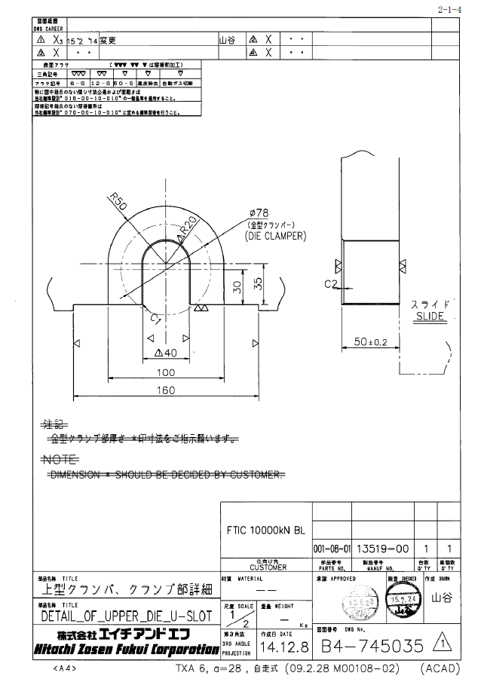

3000 T CLAMPING INFORMATION UPPER AND LOWER

